Sheet1
1. Control EPICS Interface

Button / Input / Display | PV | Command
Disabled (button) | $(Sys)$(Dev)Dsbl-Cmd
Disabled (display) | $(Sys)$(Dev)Dsbl-Cmd

2. General
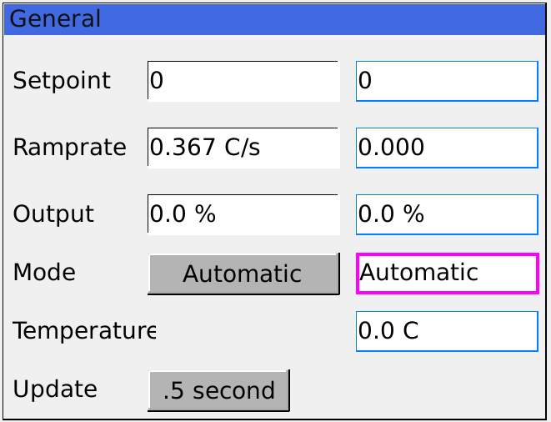

Button / Input / Display | PV | Command
Setpoint (input) | $(Sys)$(Dev)T-SP
Setpoint (display | $(Sys)$(Dev)T-RB
Ramprate (input) | $(Sys)$(Dev)Rate:Ramp-SP
Ramprate (display) | $(Sys)$(Dev)Rate:Ramp-RB
Output (input) | $(Sys)$(Dev)Out-SP
Output (display) | $(Sys)$(Dev)Out-I
Mode (Button) | $(Sys)$(Dev)Mode:Man-Cmd
Mode (display) | $(Sys)$(Dev)Mode:Man-Sts
Temperature | $(Sys)$(Dev)T-I
Update | $(Sys)$(Dev)DB:Update-Seq.SCAN

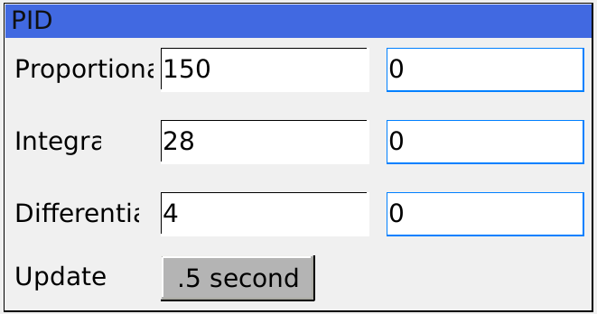
3. PID

Button / Input / Display | PV | Command
Proportional (input) | $(Sys)$(Dev)Gain:P-SP
Proportional (display) | $(Sys)$(Dev)Gain:P-RB
Integral (input) | $(Sys)$(Dev)Gain:I-SP
Integral (input) | $(Sys)$(Dev)Gain:I-RB
Differential (input) | $(Sys)$(Dev)Gain:D-SP
Differential (display) | $(Sys)$(Dev)Gain:D-RB
Update | $(Sys)$(Dev)DB:ReadPID-Seq.SCAN

4. Error status

Button / Input / Display | PV | Command
Error Str (display) | $(Sys)$(Dev)Err-Sts
Clear (button) | $(Sys)$(Dev)Err-Sts
Serial port

5. Configuration
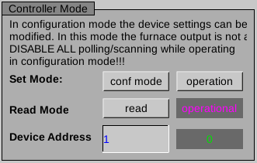

Button / Input / Display | PV | Command
conf mode (button) | $(Sys)$(Dev)Mode-Cmd.PROC
operation (button) | $(Sys)$(Dev)Mode:ClearConf-Cmd.PROC
read (button) | $(Sys)$(Dev)Mode:Conf-Sts.PROC
Read mode (display) | $(Sys)$(Dev)Mode:Conf-Sts
Device Address (input) | $(Sys)$(Dev)Addr:Dev-I
Device Address (display) | $(Sys)$(Dev)Addr-I
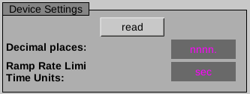

Button / Input / Display | PV | Command
read (button) | $(Sys)$(Dev)DB:ConfRead-FOut_.PROC
Decimal places (button) | $(Sys)$(Dev)Val:DecPl-SP
Decimal places (display) | $(Sys)$(Dev)Val:DecPl-I
Ramp Rate Limit / Time Units (button) | $(Sys)$(Dev)EU-SP
Ramp Rate Limit / Time Units (display) | $(Sys)$(Dev)EU-I

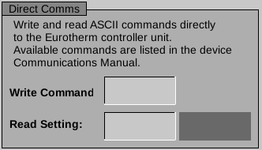

Button / Input / Display | PV | Command
Write Command (input) | $(Sys)$(Dev)Cmd-SP
Reading Setting (input) | $(Sys)$(Dev)Val:Read-SP
Reading Setting (display) | $(Sys)$(Dev)Val:Read-I

